SCRIPT
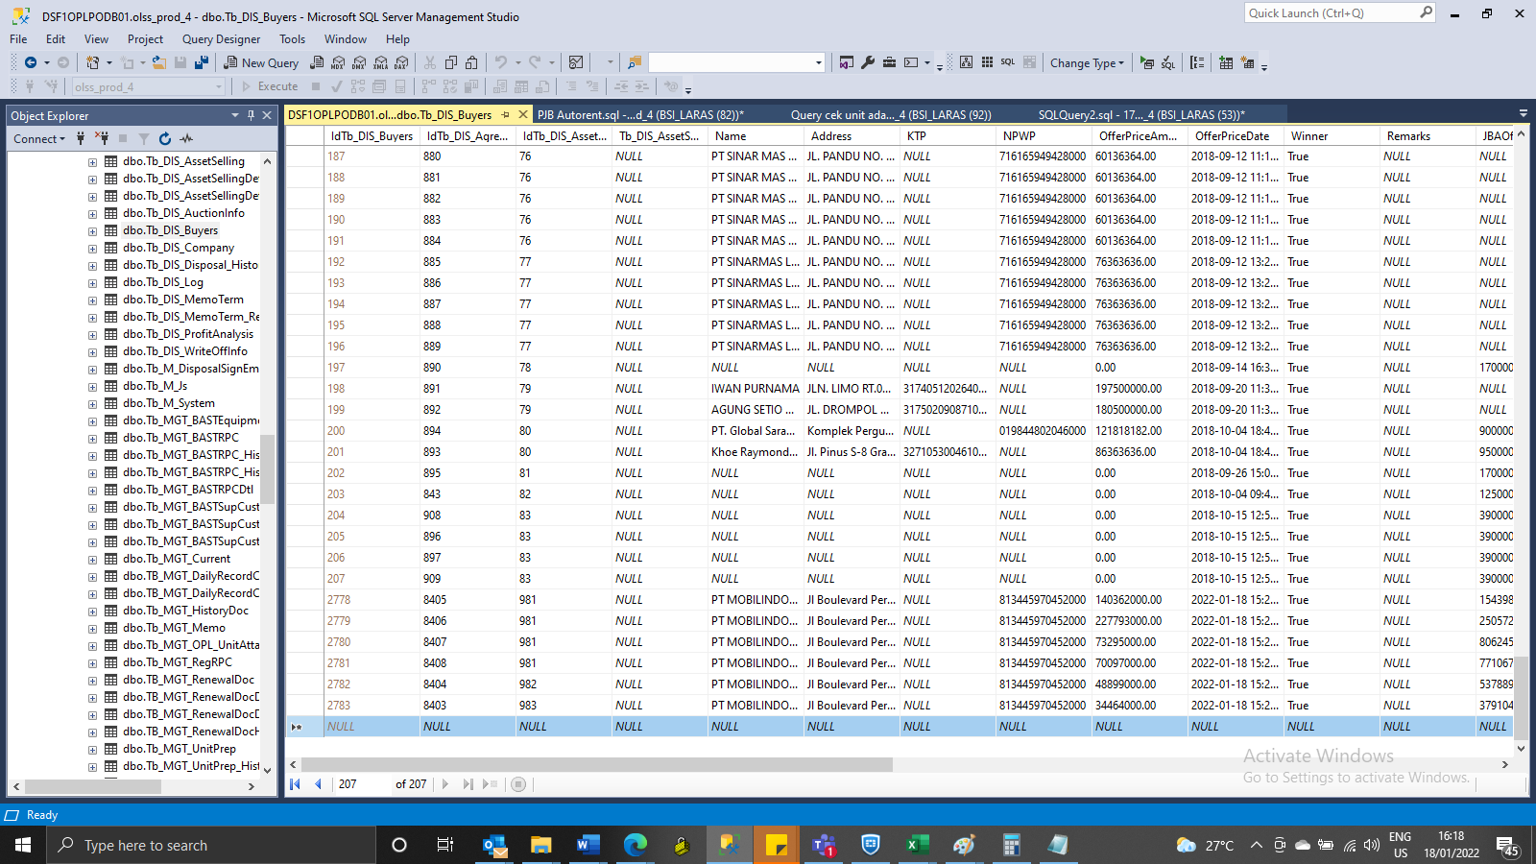
update Tb_DIS_Agreement set AssetCode = '4120038165', EngineNumber = 'DJ12176', BookValue = '15899999.9905364', ProductPrice = '53000000' where IdTb_DIS_Agreement = 8403

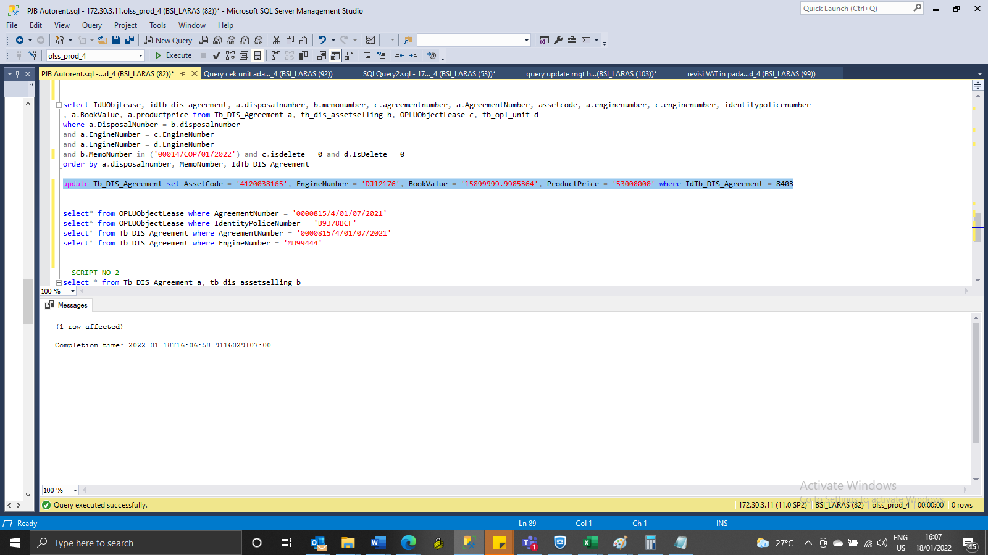

INSERT TB_DIS_BUYERS

SCREENSHOOT
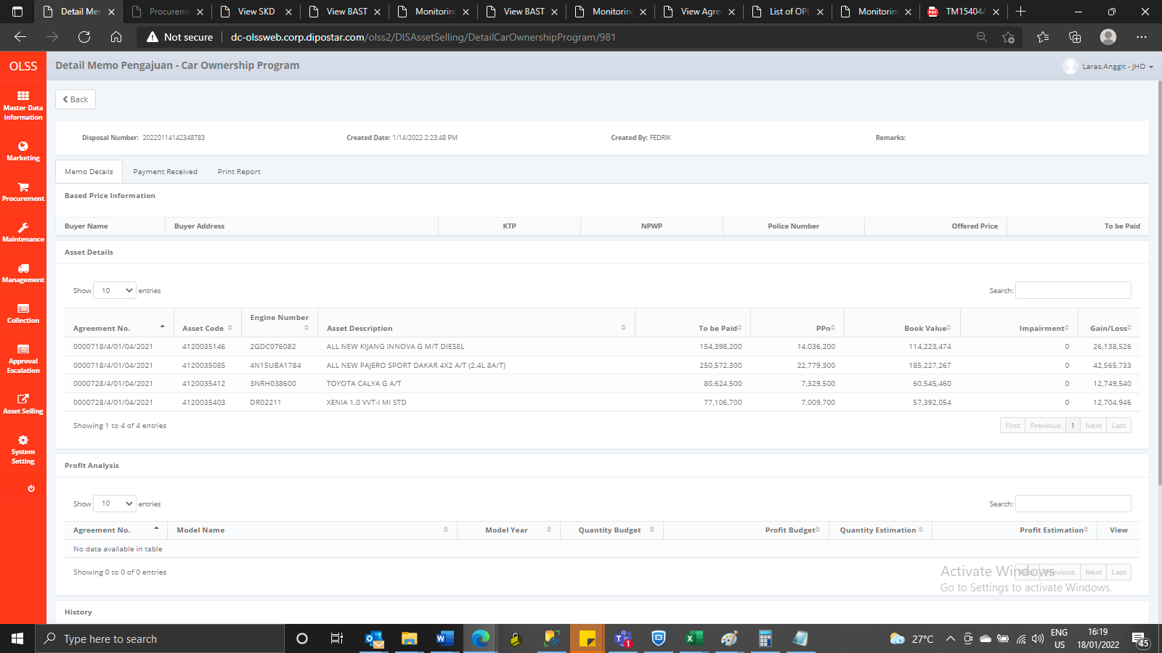

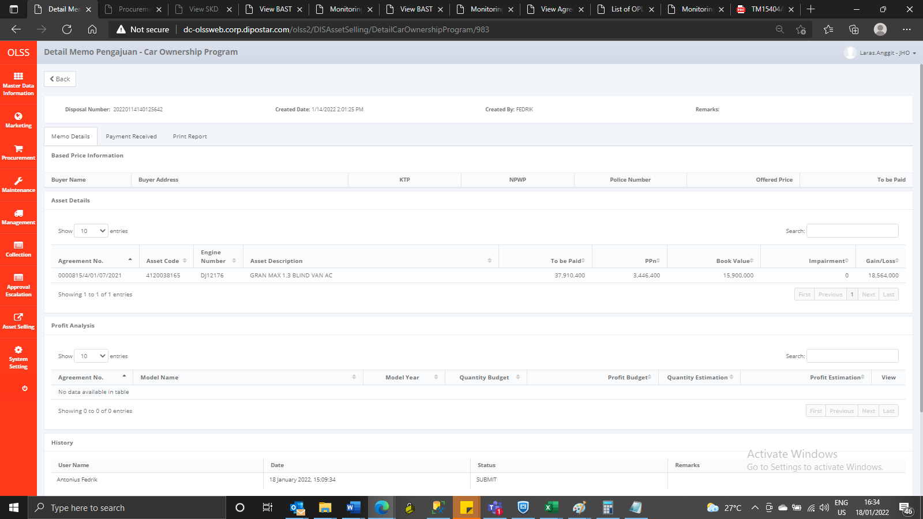
MEMO 00012/COP/01/2022 | MEMO 00013/COP/01/2022 | MEMO 00014/COP/01/2022
Before | Before | Before




AFTER | After | After

